Cover Page
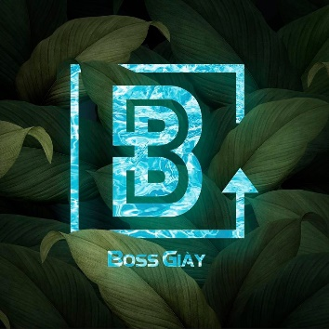

 |  | BOSS GIAY


Company | Van Lang University
Tester | Tran Quang Vinh
Environment | Programming Language: Java Applied Frameworkds: Selenium, TestNG IDE: IntelliJ IDEA
Project Name | BossGiay (Sneaker store)
Start day | 2021-12-02
End day

Func- <<Search Product>>
 |  |  |  |  |  | Security Classification: Private
 | Func - Module
 | <<Boss Giay>> |  |  |  | <<>>

Function / Module Name | Search Sneakers
Version | Version 01
Complexity | Complex
Pre-condition | Pre-data, web browser is turned on
Tested by | Tran Quang Vinh
Created Date | 2021-12-02
Test Date

Test Result | Passed | Failed | N/A | Not Run | Blocked | Passed in previous builds
Build1 | 0 | 0 | 0 | 0 | 0 | 0
Build2 | 0 | 0 | 0 | 0 | 0 | 0
Build3 | 0 | 0 | 0 | 0 | 0
Build4 | 0 | 0 | 0 | 0 | 0 | 0
Build5 | 2 | 0 | 0 | 0 | 0 | 0
Total | 2 | 0 | 0 | 0 | 0 | 0

 |  |  |  |  |  |  | Test Result
ID | Test Case Description | Step | Expected Output | Test Data | Bug ID | Note | Build5 | Build4 | Build3 | Build2 | Build1
001 | Verify that user searches sneakers successfully when list of sneakers returned is less than two pages |  |  |  |  |  | Passed
 | Preconditions: - User is authorized to access the store - User has already triggered web browser | 1. User navigates to the web URL via link: "https://bossgiay.vn/" | - The system navigates user to web URL: "https://bossgiay.vn/" - The system displays the list of sneakers that is less than two pages: + Each row of returned sneakers contains 4 sneakers + Name of returned sneakers have to encompass the $searchKey without case sensitivity - Searching sneakers with one page successfully! | searchKey in the array {"JORDAN", "LOW", "MID", "STAN", "NIKE", "ADIDAS", "SUPER", "HOLOGRAM", "DOMBA", "WHITE", "BLACK", "RAINBOWN", "SMITH", "ALL", "MAX", "VICTOR", "MLB", "SHADOW", "DOGGER", "SLIDE", "GOLD", "HIGH", "ICE", "META", "LASER", "RED", "SIMPSONS", "ADLV", "BIG", "X", "V", "PUMA", "JAN", "K", "YANKEE", "MONOGRAM", "FORCE", "FRUIT", "ROSE", "CARTOON", "POUCH", "WORLDWIDE", "ASUNA", "JACQUARD", "F", "MON", "HOODY", "LIFE", "VOLT", "METALLIC", "POINT", "SP", "2", "SUNFLOWER", "SUPREME"}; |  | 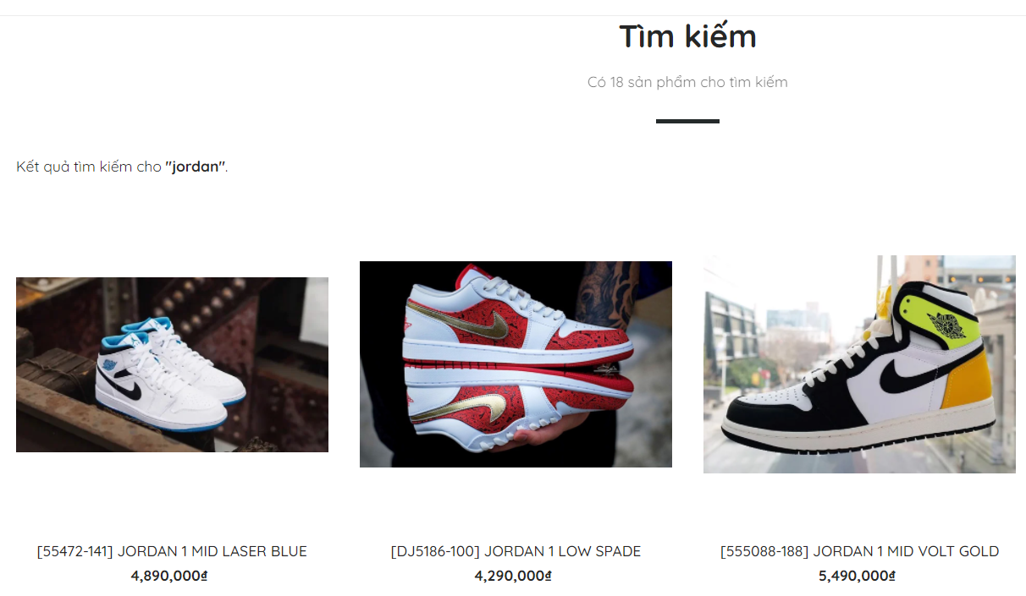 - Test case is passed, the system returns a list of sneakers that is less than two pages - Taken screenshot:
 |  | 2. User clicks on the spy glass icon
 |  | 3. User inputs the $searchKey
 |  | 4. User inputs clicks on spy glass icon or press enter key to conduct searching
 |  | 5. User observes the returned listing of sneakers
002 | Verify that user searches sneakers successfully when list of sneakers returned is more than one page
 | Preconditions: - User is authorized to access the store - User has already triggered web browser | 1. User navigates to the web URL via link: "https://bossgiay.vn/" | - The system navigates user to web URL: "https://bossgiay.vn/" - The system displays the list of sneakers that is more than one page: + Each row of returned sneakers contains 4 sneakers + There is up to 50 sneakers per page + Name of returned sneakers have to encompass the $searchKey without case sensitivity + Pagination is shown contains ordinal numbers in the accordance with the returned total sneakers, previous and next button to facilate navigating among pages - Searching sneakers with more than one page successfully! | searchKey in the array {"A", "B", "S", "N", "M"} |  | 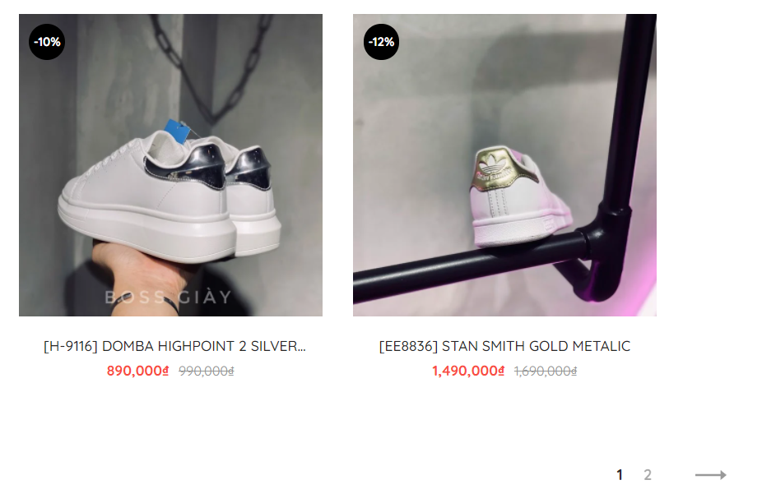
 |  | 2. User clicks on the spy glass icon
 |  | 3. User inputs the $searchKey
 |  | 4. User inputs clicks on spy glass icon or press enter key to conduct searching
 |  | 5. User observes the returned listing of sneakers
003 | Verify that user searches sneakers unsuccessfully when search key does not match any sneakers |  |  |  |  |  | Passed
 | Preconditions: - User is authorized to access the store - User has already triggered web browser | 1. User navigates to the web URL via link: "https://bossgiay.vn/" | - The system navigates user to web URL: "https://bossgiay.vn/" - The system displays an alert message: + Không tìm thấy nội dung bạn yêu cầu + Không tìm thấy "$searchKey". Vui lòng kiểm tra chính tả, sử dụng các từ tổng quát hơn và thử lại! - Searching sneakers unsuccessfully because there is no sneakers match the inputted search key! | searchKey in the array {"AJAX", "SOUL", "JORDAN NIGHT 1 LOW", "JORDAN NIGHT 1 SPADE", "KEY", "SAN", "SHALLOW", "WATT", "FORD", "BAM", "BANG", "JORLAN", "JORSAN", "JORFAN", "MC"} |  | 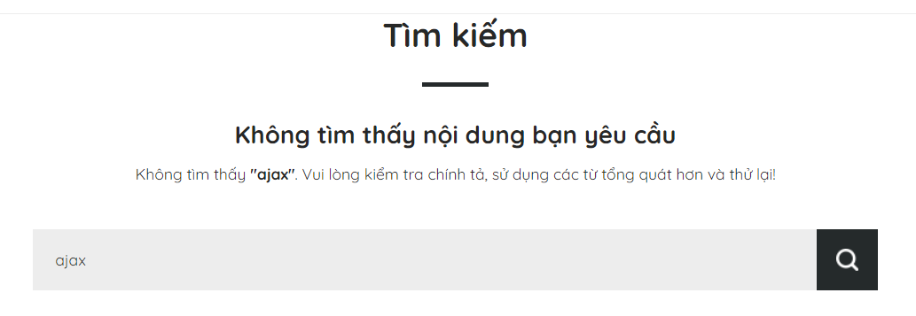 - Test case is passed, the system returned all the expected messages - Taken screenshot:
 |  | 2. User clicks on the spy glass icon
 |  | 3. User inputs the $searchKey
 |  | 4. User inputs clicks on spy glass icon or press enter key to conduct searching
 |  | 5. User observes the message: "Không tìm thấy nội dung bạn yêu cầu"

